PRD
Product Requirement Document (PRD) - Version: 1.0

Template Name |  | Money Transfer system using Blockchain
Goals & Objective |  | We all transfer money. The goal of this website is to provide a secure and efficient platform for individuals and businesses to transfer money using blockchain technology. From this website user/miner can : - Send & Receive money with low cost transaction fee - Can see transparent ledger where all activity of transaction is shown - Can see block information - Miners can mine blocks - Miners can verify blocks - User/Miners can update their profile information
Client Information
Product Type |  | Web Application
Domain |  | Web2
Access Layers |  | User, Miner
Design Required |  | Yes

Phase | Item No | Specification [Role] | Screen Definition | User Story | Acceptance Criteria | UI Screen / Wireframe | Tags
Feature: 1 |  | Auth Feature
phase 1 | 1 | Signup [Miner] [User] | <Form> <input=name> <input=email> <input=gender> <input=dob> <input=password> <input=re-password> <input=user-type> <button=signup> <link=signin> | - Enter Full name (input) - Enter unregistered email (input) - Enter password (input) [Logic: At least 8 characters long, atleast one special character] - Enter password again (input) [Logic: should match password input] - Choose user type [user,miner] - Click Signup (button) [Logic: If the email is unique, user will be registered to the sysmem (databse)] - Signin (link) [Logic: redirect user to Login page] | - Email (input) field should only accept valid unregistered email address as input, otherwise will show an 'email already used' message. - Password (input) should be minimum 8 characters long. Otherwise show an invalid message. - Re-password (input) should match password. Otherwise show 'password do not match' message. - User type must be selected. Otherwise show 'Please select a user type'. - On clicking signup button, credential will be stored in database, user will be redirected to his dashboard. - A copy of the login information will be sent to his email. | 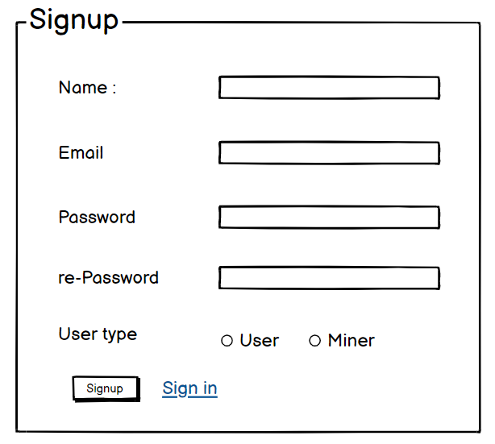 | signup
phase 1 | 2 | Signin [Miner] [User] | <Form> <input=email> <input=password> <option=remember me> <button=signin> <link=signup> <link=forgot password> | - Enter Email (input) - Enter password (input) - signin (button) - signup (link) - forgot password (link) | - Email must match database email - password must match database password - User go to dashboard (if email & password match with database) - User is promt with an error. "Email or password does not match!". (if email & password match with database) - clicking signup should take user to signup page - clicking forgot password should take him to forgot password page | 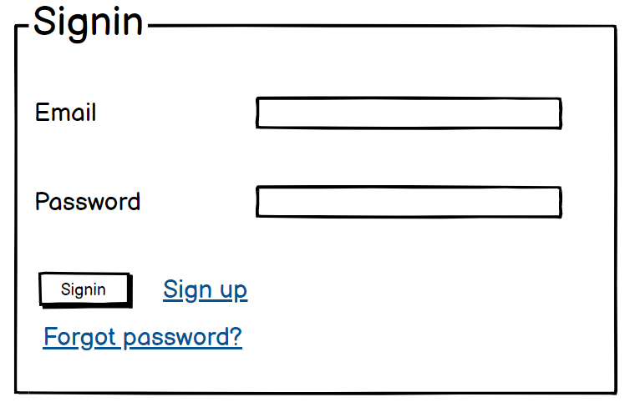 | signin
phase 1 | 3 | Forgot password[Miner] [User] | <Form> <input=email> <button=send code> <input=code> <input=password> <input=confirm Password> <button=submit> | - Enter email (input) - Press send code (button) - Enter new password (input) - Re-type new password (input) - click on change passowrd to update password (button) | - email must match DB email or promt "No email found!" - pressing send code will print a message "code sent!" and the code can be found at user info row. - enter new password [At least 8 characters long, atleast one special character] - re-type new password [it should match new password] - clicking submit button will show user -> "password changed" if all info match criteria or it'll indicate what's wrong | 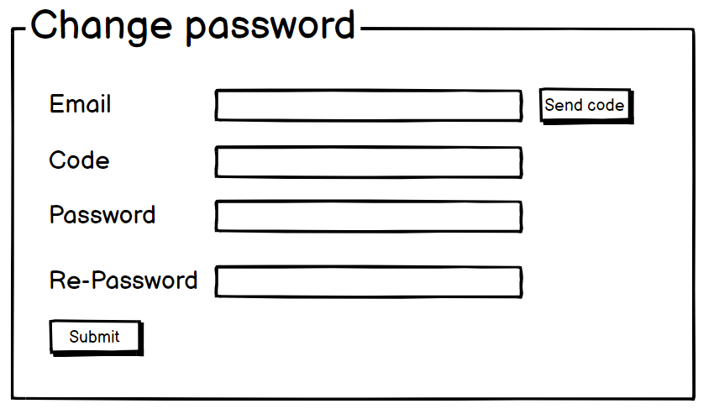 | forgot_password
Feature: 2 |  | Dashboard
phase 1 | 4 | Menu [User] | Logo <Unordeded list> Home Accommodation Offers Gallery Restaurants More Sign in Sign up Cart <button = Toggle> | - Logo (link) -Home (link) -Accommodation (link) -Offers (link) -Gallery (link) -Restaurants (link) -More (link) -Sign in (link) -Sign up (link) -Cart (link) -Toggle (button) | - Clicking logo will take the user to the home page - go to home page on click - go to Accommodation page on click - go to offers page on click - go to restaurants page on click - go to more page on click - go to sign in page on click - go to sign up page on click - go to cart page on click - toggle dark and light theme on click |  | Menu
Feature: 3 |  | Search
phase 1 | 5 | Search [User] | <date = Check-in> <date = Check-out> <option = No of guests> <button = search> | - Check in (date) - Check out (date) - No of guests (option) - Search (button) | - clicking check in will give option to set date - clicking check in will give option to set date - select number for number of guests - clicking search button will show the available rooms |  | Search
Feature: 4 |  | Slider
phase 1 | 6 | Slider [User]

